Monthly indicators
...
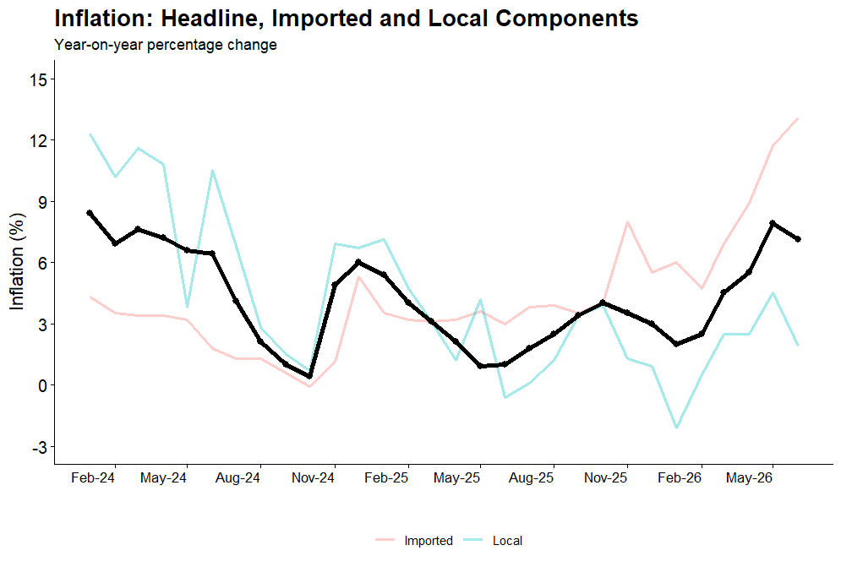
...
Mar-24 | Apr-24 | May-24
7.6 | 7.2 | 6.6
125.2 | 126.7 | 129.2
3.4 | 3.4 | 3.2
11.6 | 10.8 | 3.8
 | All items CPI | Imported inflation | Local inflation
Jan-24 | 8.4 | 4.3 | 12.3
Feb-24 | 6.9 | 3.5 | 10.2
Mar-24 | 7.6 | 3.4 | 11.6
Apr-24 | 7.2 | 3.4 | 10.8
May-24 | 6.6 | 3.2 | 3.8
Jun-24 | 6.4 | 1.8 | 10.5
Jul-24 | 4.1 | 1.3 | 6.8
Aug-24 | 2.1 | 1.3 | 2.8
Sep-24 | 1.0 | 0.6 | 1.5
Oct-24 | 0.4 | -0.1 | 0.7
Nov-24 | 4.9 | 1.1 | 6.9
Dec-24 | 6.0 | 5.3 | 6.7
Jan-25 | 5.4 | 3.5 | 7.1
Feb-25 | 4.0 | 3.2 | 4.7
Mar-25 | 3.1 | 3.1 | 3.1
Apr-25 | 2.1 | 3.2 | 1.2
May-25 | 0.9 | 3.6 | 4.2
Jun-25 | 1.0 | 3.0 | -0.6
Jul-25 | 1.8 | 3.8 | 0.1
Aug-25 | 2.5 | 3.9 | 1.2
Sep-25 | 3.4 | 3.5 | 3.4
Oct-25 | 4.0 | 4.0 | 3.9
Nov-25 | 3.5 | 8.0 | 1.3
Dec-25 | 3.0 | 5.5 | 0.9
Jan-26 | 2.0 | 6.0 | -2.1
Feb-26 | 2.5 | 4.7 | 0.5
Mar-26 | 4.5 | 6.9 | 2.5
Apr-26 | 5.5 | 8.9 | 2.5
May-26 | 7.9 | 11.7 | 4.5
Jun-26 | 7.1 | 13.1 | 1.9

